Budget Allocation
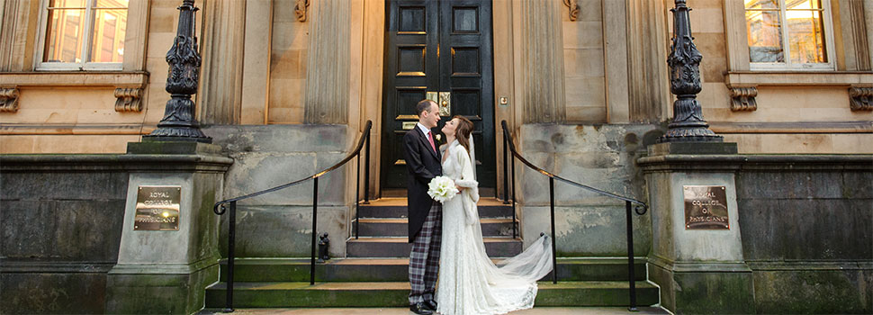
 | Royal College of Physicians of Edinburgh Wedding Budget Planner

Budget Allocation

This will help you to allocate your total wedding budget according to the different cateogory of expenses. You can keep your finances in check by confirming how much you have available to spend on each category.
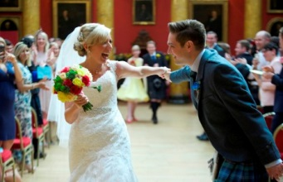
Enter your ideal budget here: |  | £20,000

Enter your maximum budget here: |  | £25,000

Change the percentage allocations below based on your own needs and preferences. The spreadsheet will calculate how much of your ideal and max budget is to be allocated to each expense.

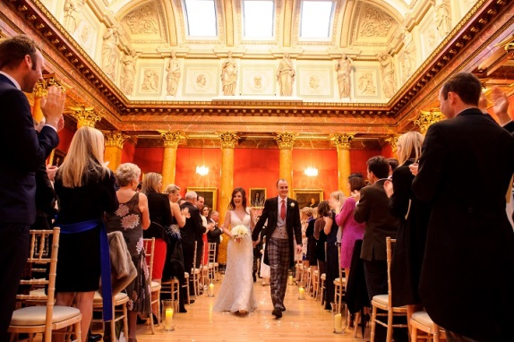
Expense | Percentage Allocated | Amount: Ideal Budget | Amount: Max Budget
Engagement | 5% | £1,000.00 | £1,250.00
Planning Costs | 2% | £400.00 | £500.00
Hen and Stag Do | 8% | £1,600.00 | £2,000.00
Ceremony and Venue | 30% | £6,000.00 | £7,500.00
Attire | 20% | £4,000.00 | £5,000.00
Rings | 10% | £2,000.00 | £2,500.00
Beauty | 3% | £600.00 | £750.00
Flowers | 5% | £1,000.00 | £1,250.00
Photography & Videography | 5% | £1,000.00 | £1,250.00
Stationary | 1% | £200.00 | £250.00
Transport | 5% | £1,000.00 | £1,250.00
Gifts & Favours | 1% | £200.00 | £250.00
Accommodation | 0% | £0.00 | £0.00
Honeymoon | 5% | £1,000.00 | £1,250.00
Other Costs | 0% | £0.00 | £0.00
 | 100%

